ESA 3
ADT and ESA quick calculator for figures pulled from class matrix traffic count |  |  |  |  |  |  |  |  |  |  |  |  | Fields for input
 |  |  |  |  |  |  |  |  |  |  |  |  | Set value fields
 |  |  |  |  |  |  |  |  |  |  |  |  | Calculated fields
Road Name |  |  |  |  |  |  |  | Road Number

Average daily traffic
Count No. | Location SLK |  | Start date |  | End date |  | Duration days |  | All vehicles total |  | Daily average traffic for individual count
1 |  |  |  |  |  |  | 0 |  |  |  | 0
2 |  |  |  |  |  |  | 0 |  |  |  | 0
3 |  |  |  |  |  |  | 0 |  |  |  | 0
4 |  |  |  |  |  |  | 0 |  |  |  | 0
5 |  |  |  |  |  |  | 0 |  |  |  | 0
 |  |  | TOTALS |  |  | Duration (No. of days) | 0 |  | 0 |  | Total vehicles

Figure required for WSFN MCA |  |  |  |  |  | Average Daily traffic count for full sample (ADT) |  |  |  |  |  | 0

Equivalent standard axles |  |  |  |  |  |  |  |  |  |  |  |  |  | Main Roads WA Road Classification | Axle Equivalency Factor By Vehicle Class
Austroads | Class 1 | Class 2 | Class 3 | Class 4 | Class 5 | Class 6 | Class 7 | Class 8 | Class 9 | Class 10 | Class 11 | Class 12 |  |  | Class 3 | Class 4 | Class 5 | Class 6 | Class 7 | Class 8 | Class 9 | Class 10 | Class 11 | Class 12
RAV |  |  |  |  |  |  |  | RAV 1 | RAV 2, 3 | RAV 4, 5 | RAV 6, 7 | RAV 9, 10 |  |  |  |  |  |  |  | RAV 1 | RAV 2, 3 | RAV 4, 5 | RAV 6, 7 | RAV 9, 10
Count 1 |  |  |  |  |  |  |  |  |  |  |  |  |  | Rural National Highways | 0.77 | 2.57 | 4.23 | 2.29 | 1.59 | 3.4 | 4.2 | 8.08 | 10.03 | 11.54
Count 2 |  |  |  |  |  |  |  |  |  |  |  |  |  | Rural Highways | 0.77 | 2.57 | 4.23 | 2.29 | 1.59 | 3.4 | 4.2 | 8.08 | 10.03 | 11.54
Count 3 |  |  |  |  |  |  |  |  |  |  |  |  |  | Rural Main and Secondary Roads | 0.23 | 1.09 | 3.24 | 0.96 | 0.6 | 2.9 | 3.13 | 5.64 | 7.26 | 7.87
Count 4 |  |  |  |  |  |  |  |  |  |  |  |  |  | Urban Freeways and Highways | 0.68 | 2.3 | 2.67 | 1.3 | 1.48 | 2.95 | 3.42 | 4.74 | 5.84 | 6.98
Count 5 |  |  |  |  |  |  |  |  |  |  |  |  |  | Other Important Urban Arterial Roads | 0.68 | 2.3 | 2.67 | 1.3 | 1.48 | 2.95 | 3.42 | 4.74 | 5.84 | 6.98

Total traffic | 0 | 0 | 0 | 0 | 0 | 0 | 0 | 0 | 0 | 0 | 0 | 0 |  | Consessional Loading | 0.77 | 2.57 | 4.23 | 2.29 | 1.59 | 4 | 12.25 | 12.25 | 15 | 18
Multiplyer | 0 | 0 | 0.77 | 2.57 | 4.23 | 2.29 | 1.59 | 3.4 | 4.2 | 8.08 | 10.03 | 11.54 |  | AMMS ESA rating
Concessional | 0 | 0 | 0.77 | 2.57 | 4.23 | 2.29 | 1.59 | 4 | 12.25 | 12.25 | 15 | 18
AMMS | 0 | 0
Austroads ESAs | 0 | 0 | 0 | 0 | 0 | 0 | 0 | 0 | 0 | 0 | 0 | 0
RAV ESA's | 0 | 0 | 0 | 0 | 0 | 0 | 0 | 0 | 0 | 0 | 0 | 0
AMMS ESA's | 0 | 0 | 0 | 0 | 0 | 0 | 0 | 0 | 0 | 0 | 0 | 0

 |  |  |  |  |  |  |  |  |  | 0 | Total 1 to12
 |  |  |  |  |  |  |  |  |  | 0
 |  |  |  |  |  |  |  |  |  | 0 | Duration days
 |  |  | Austroads |  | Average Daily ESA's |  |  |  |  | 0
Figure required for WSFN MCA |  |  | RAV |  | Concessional Daily ESA's |  |  |  |  |  | WSFN summary.
 |  |  |  |  | AMMS daily ESA's
 |  |  |  |  | Yearly |  |  |  |  |  |  | Design ESA only considers one direction
 |  |  |  |  | Design Life |  | 40 | Growth | 3%

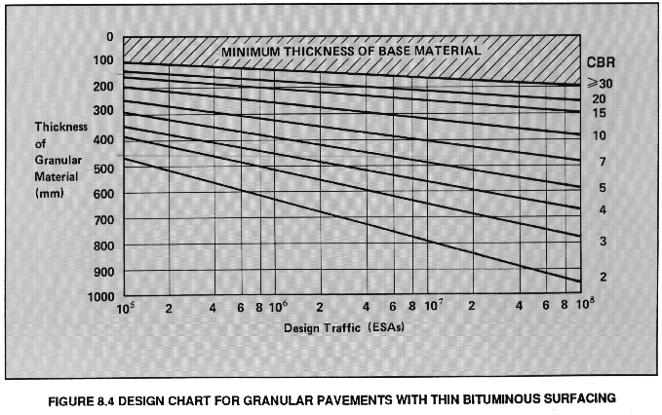

WSFNesa

